OFFER
Foto | Style | COLOR | Color Name | Fit | WHOL | M | L | XL | XXL | TOTAL
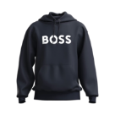 | 50487134 | 404 | Dark Blue | regular fit (02) | € 84.69 | 50 | 75 | 75 | 50 | 250
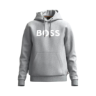 | 50487134 | 051 | Light/Pastel Grey | regular fit (02) | € 84.69 | 50 | 75 | 75 | 50 | 250
 | 50487134 | 001 | Black | regular fit (02) | € 84.69 | 50 | 75 | 75 | 50 | 250
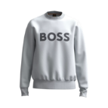 | 50487133 | 050 | Light/Pastel Grey | relaxed fit (03) | € 73.67 | 50 | 75 | 75 | 50 | 250
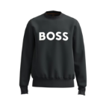 | 50487133 | 001 | Black | relaxed fit (03) | € 73.67 | 75 | 150 | 150 | 75 | 450
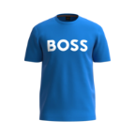 | 50481923 | 465 | Open Blue | regular fit (02) | € 30.21 | 76 | 151 | 151 | 77 | 455
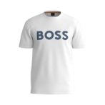 | 50481923 | 100 | White | regular fit (02) | € 30.21 | 75 | 150 | 150 | 77 | 452
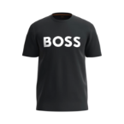 | 50481923 | 002 | Black | regular fit (02) | € 30.21 | 98 | 200 | 200 | 100 | 598
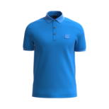 | 50472668 | 465 | Open Blue | slim fit (01) | € 48.65 | 75 | 150 | 150 | 75 | 450
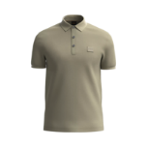 | 50472668 | 336 | Light/Pastel Green | slim fit (01) | € 48.65 | 100 | 200 | 200 | 100 | 600
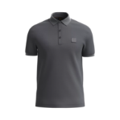 | 50472668 | 022 | Dark Grey | slim fit (01) | € 48.65 | 100 | 200 | 200 | 100 | 600
 |  |  |  |  |  |  |  |  |  | 4605

